Sprint 1
SPRINT-1
STAFF | ACTION | STATUS | PRIORITY | START | FINISH | DURATION (DAYS) | NOTES AND COMMENTS
Developer (A. Y. S) | Sensor Node Database Mapping | Not Started | High | 2026-09-07 | 2026-09-13 | 6 | Create the required administrative mappings and design the database schema (ERD) for the physical sensors. (#PB-01)
Developer (U. Y.) | Setup Database (MongoDB) | Not Started | High | 2026-09-07 | 2026-09-11 | 4 | Install and configure MongoDB and establish database connection. (#PB-01)
Developer (O.Ö.) | Implement Data Collection | Not Started | High | 2026-09-07 | 2026-09-12 | 6 | Develop sensor data collection logic for environmental inputs. (#PB-02)
Product Owner (E.S.) | Industrial Hardware Shielding & BOM Research | Not Started | High | 2026-09-07 | 2026-09-15 | 8 | Create the final Bill of Materials (BOM), as well as conducting industrial research.
Scrum Master(E.G.H), Developer (U. Y.) | Database Implementation & Schema Mapping | Not Started | High | 2026-09-13 | 2026-09-16 | 3 | Physical database creation based on the ER diagram developed in Sprint 1. (#PB-03)
Developer (A. Ç.) | Basic Backend API | Not Started | Medium | 2026-09-13 | 2026-09-18 | 5 | Create basic REST API for handling sensor data. (#PB-02)
Developer (U. Y.) | Store Data in Database | Not Started | High | 2026-09-18 | 2026-09-20 | 2 | Store collected data in MongoDB with proper structure. (#PB-06)

 |  |  |  |  |  | 14

BACKLOG |  |  | 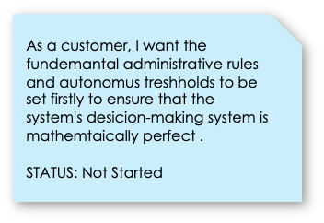 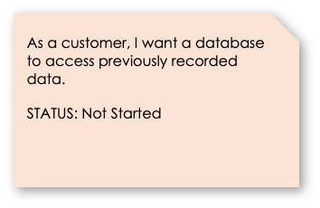 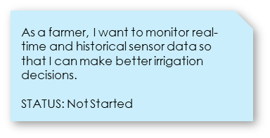

Sprint 2
SPRINT-2
STAFF | ACTION | STATUS | PRIORITY | START | FINISH | DURATION (DAYS) | NOTES AND COMMENTS
Product Owner (E.S.) | Refinement of Data Processing Requirements | Not Started | Medium | 2026-09-21 | 2026-09-25 | 4 | Refine the data processing criteria and success metrics for backlog items #1 and #2.
Developer (U.Y.) | Test database relations and backend api | Not Started | Medium | 2026-09-21 | 2026-09-23 | 2 | Test the created database realtions and backend api integrity. (#PB-1)
Developer (A. Ç.) | Local Weather Forecasting | Not Started | High | 2026-09-22 | 2026-09-27 | 5 | Develop a local weather forecasting feature using collected environmental data. (#PB-04)
Developer (O. Ö.) | GPS Integration & Sync | Not Started | High | 2026-09-22 | 2026-09-29 | 7 | Synchronizing each sensor's location data with the main computer. (#PB-05)
Developer (A. Y. S) | External Weather API Integration | Not Started | Medium | 2026-09-23 | 2026-09-27 | 4 | Configure API calls for third-party weather providers. (#PB-20)
Developer (K.P.) Developer (O. Ö.) | 3D Field Model Rendering and GPS-Based Node Placement on Virtual Field | Not Started | High | 2026-09-28 | 2026-10-07 | 9 | Create a 3D virtual representation of the field environment based on system requirements (#PB-08) and place each sensor node onto the 3D model using the integrated GPS coordinates. (#PB-9)
Developer (A.Ç.) | Virtual Twin Data Matching | Not Started | High | 2026-10-07 | 2026-10-12 | 5 | Match measurement and GPS data to the virtual twin. (#PB-10)
Developer (A.Ç.) | Test and finalize digital twin | Not Started | High | 2026-10-12 | 2026-10-15 | 3 | Test the virtual twin and finalize it. (#PB-10)

 |  |  |  |  |  | 24
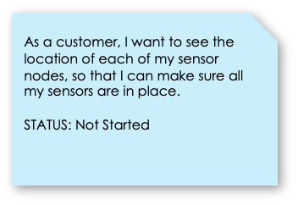
BACKLOG |  |  | 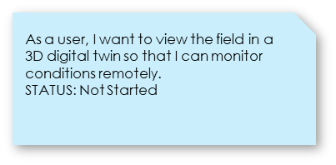 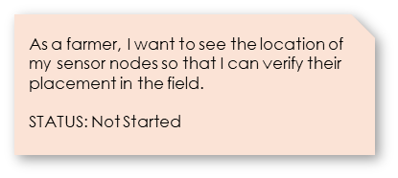

Sprint 3
SPRINT-3
STAFF | ACTION | STATUS | PRIORITY | START | FINISH | DURATION (DAYS) | NOTES AND COMMENTS
Scrum Master(E.G.H) | Implement weather-forecast-based irrigation decision logic | Not Started | High | 2026-10-16 | 2026-10-31 | 6 | Develop decision algorithm using sensor and forecast data. (#PB-11)
Product Owner (E.S.), Developer (K.P.) | Open irrigation valves according to algorithm | Not Started | High | 2026-10-16 | 2026-10-21 | 5 | Trigger irrigation automatically based on system decisions. (#PB-12)
Developer (K.P.) | User alert system when irrigation is needed | Not Started | Low | 2026-10-21 | 2026-10-23 | 2 | Notify users about irrigation needs and critical conditions. (#PB-13)
Developer (O.Ö.) | Heat Based Irrigation Control implementation | Not Started | Medium | 2026-10-21 | 2026-10-25 | 4 | Develop a control feature that adjusts irrigation automatically based on temperature. (#PB-18)
Product Owner (E.S.), Scrum Master(E.G.H) | Finalize semi autonomous irrigation system | Not Started | High | 2026-10-26 | 2026-10-31 | 5 | Enable system-assisted irrigation with optional user input. (#PB-15)
Developer (U. Y.) | Develop manual irrigation system | Not Started | Medium | 2026-11-01 | 2026-11-05 | 4 | Implement a manual irrigation feature that allows users to directly start, stop, and control watering as needed. (#PB-16)
Developer (O.Ö.) | Allow switching between 3 levels of autonomous irrigation | Not Started | Medium | 2026-11-03 | 2026-11-06 | 3 | Enable users to select among three autonomous irrigation levels to adjust watering behavior. (#PB-17)
Developer (A. Ç.) | Low power consumption mode | Not Started | Low | 2026-11-05 | 2026-11-08 | 3 | Implement a power-saving mode that reduces energy usage by optimizing background activity, network usage. (#PB-21)
Developer (A. Y. S) | 5 unnoticed alert counter and switch to full autonomus mode system | Not Started | Low | 2026-11-05 | 2026-11-08 | 3 | Implement a system that counts up to five unattended alerts and automatically switches the device to full autonomous mode. (#PB-14)

 |  |  |  |  |  | 23

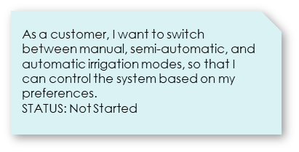 BACKLOG |  |  | 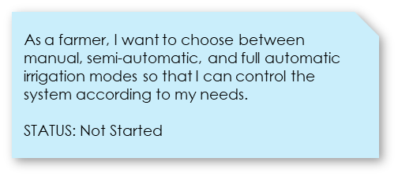 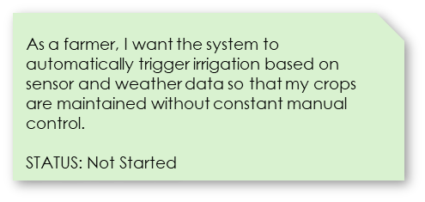

Sprint 4
SPRINT-4
STAFF | ACTION | STATUS | PRIORITY | START | FINISH | DURATION (DAYS) | NOTES AND COMMENTS
Developer (A. Ç.) | Switch between wifi and sim network | Not Started | Medium | 2026-11-09 | 2026-11-13 | 4 | Add automatic network failover between WIFI and SIM connectivity. (#PB-19)
Scrum Master (E.G.H) | Weekly summary script | Not Started | Medium | 2026-11-09 | 2026-11-11 | 2 | Auto-generate and send weekly summary reports every Monday at 04:00. (#PB-27)
Developer (A. Y. S) | Allow each sensor to be updated remotely | Not Started | Medium | 2026-11-10 | 2026-11-14 | 4 | Enable remote firmware/config updates for individual sensor nodes. (#PB-23)
Developer (U. Y.) | End to end encryption of sent data | Not Started | High | 2026-11-10 | 2026-11-13 | 3 | Encrypt all data sent between sensors and main computer. (#PB-25)
Scrum Master (E.G.H) | Communication speed test | Not Started | Medium | 2026-11-10 | 2026-11-14 | 4 | Test the data transfer speed to ensure it is whitin the wanted range.
Developer (O.Ö.) | Optimize communication speed | Not Started | High | 2026-11-15 | 2026-11-19 | 4 | Speed up sensor-to-server communication and reduce delays. (#PB-26)
Developer (K.P.) | Localized node display screen | Not Started | Low | 2026-11-15 | 2026-11-18 | 3 | Display live sensor data on a local screen for each node. (#PB-22)
Developer (A. Y. S) | Multi-Language Support | Not Started | Medium | 2026-11-17 | 2026-11-19 | 2 | Add multi-language support to the user interface. (#PB-24)
Scrum Master (E.G.H) | Local node display screen test | Not Started | Medium | 2026-11-19 | 2026-11-20 | 1 | Test the local node display screen to ensure it is user friendly and free of bug.
Product Owner (E.S.) | Integration test | Not Started | Medium | 2026-11-21 | 2026-11-25 | 4 | Test the whole system te make sure it is the way it should be.

 |  |  |  |  |  | 16

BACKLOG |  |  | 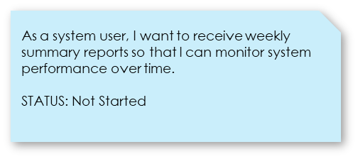 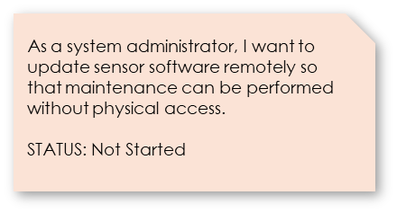 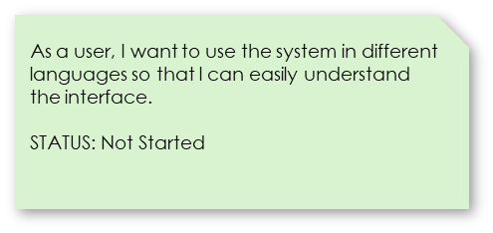

 |  |  |  |  |  | Dev

 |  |  |  |  |  | Dev

